Sheet3
Change in Word Prevalence before March 10th and After March 10th (Minimum of 18 Total Instances)
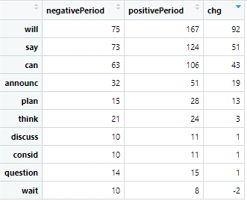
keyword |  | negativePeriod | positivePeriod | chg
1 | Will | 75 | 167 | 92
2 | Say | 73 | 124 | 51
3 | Can | 63 | 106 | 43
4 | Announce | 32 | 51 | 19
5 | Plan | 15 | 28 | 13
6 | Think | 21 | 24 | 3
7 | Discuss | 10 | 11 | 1
8 | Consider | 10 | 11 | 1
9 | Question | 14 | 15 | 1
10 | Wait | 10 | 8 | -2

